Notes and Instructions
 Oncost Calculator

NOTES - PLEASE READ FIRST
- This calculator is provided as a tool to help you calculate your employment costs & overhead rates.
- Ideally there should be a minimum of 3 months worth of data used for this calculator and users should review regularly.
- The calculations are based on recovering overheads from billable labour hours.
- This calculator does not take into account any material profits, therefore all material profits are purely profits to the jobs and the business.
- This calculator should be used under the guidance of your simPRO Implementation Consultant but please note these calculations are a guide only, you will need to confirm with your accountant.
- Please note the figures generated from this calculator are based on assumptions, therefore the figures will vary depending on the assumptions entered.
- If you need any further assistance please contact your simPRO Implementation Consultant, however it is important that you get the assistance of your financial advisor, accountant to complete this and/or obtain financial information.

INSTRUCTIONS
1) Determine if you are estimating overhead and employment costs based on a 3, 6 or 12 month period. All figures you use in the calculator should represent costs for the same period.
2) Calculate your overheads for the period and enter your total overhead figure into cell N3 on the 'Calculator and Worksheet' tab. (Review cost breakdown table below to see what is included in overheads.)
3a) Update the dark blue cells in the 'Individual Employee Data Entry' section of the 'Calculator and Worksheet' tab for a single billable employee. (Review cost breakdown table below to determine what is included in cell B11 for 'other employment costs'.)
3b) Enter the calculation results (light blue cells under the employee data entry) into the worksheet on the right hand side of the page (dark blue cells).
4) Repeat steps 3a) and 3b) until you have entered all billable employees into the worksheet.
5) Enter your overhead per hour (cell M3) into the 'Default Overhead' field in simPRO Enterprise (System / Setup / System Setup / Labour / Labour Rates). (A screenshot is provided under the worksheet.)
6) Enter your employee pay rates, employment cost rates and overhead rates (columns H, I and M) into the employee card file rate's tab in simPRO Enterprise. (A screenshot is provided under the worksheet.)
Please note that you should seek your financial advisor's or accountant/bookeeper's assistant to complete this worksheet and/or obtaining overhead and other financial information.The calculation you complete will affect the reporting and financial accuracy of your simPRO therefore it's critical to involve such professional's help.

Calculator and Worksheet
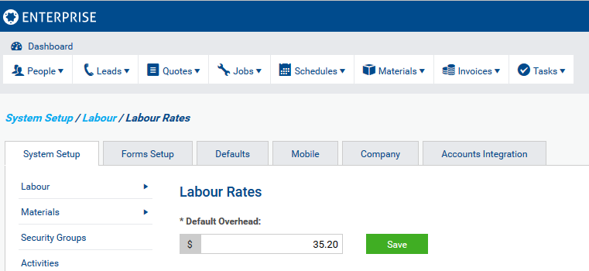
EMPLOYMENT COST CALCULATOR - INDIVIDUAL EMPLOYEES |  |  |  |  | BUSINESS TOTAL EMPLOYMENT COST AND OVERHEAD WORKSHEET
Individual Employee Data Entry |  |  |  |  | Employee Name | Pay Rate Per hour | Employment Costs Per Hour | Direct Employment Cost Per Hour | Billable Hours Per Period | Direct Employee Cost Per Period | Overhead Per Hour | Total Overhead Per Period | Total Cost Per Hour | Total OH and Labour Expenses
 |  |  |  |  | TOTALS |  |  |  | 4,261 | £239,591.00 | £35.20 | £150,000.00 |  | £389,591.00
Calculation based on (period) | 52 | Weeks |  |  | Employee 1 Name | £25.00 | £26.00 | £51.00 | 1,305 | £66,555.00 | £35.20 | £45,939.92 | £86.20
Working days for the week | 5 | Days |  |  | Employee 2 Name | £35.00 | £26.00 | £61.00 | 1,500 | £91,500.00 | £35.20 | £52,804.51 | £96.20
Employee pay rate per hour | £20.00 |  |  |  | Employee 3 Name | £30.00 | £26.00 | £56.00 | 1,456 | £81,536.00 | £35.20 | £51,255.57 | £91.20
Working hours per day | 8 | Hours
Additional Pension (%) | 5.00%
Employer NI (%) | 13.00%
Other employment costs per period Inc allowances | £10,000
Bank holidays for the period | 8 | Days | 64 | Hours
Holidays days per period | 25 | Days | 200 | Hours
Paid Sick days per period | 5 | Days | 40 | Hours
Assumptions
Average non billable hours per day | 1.00 | Hours

Calculation (Based on figures entered above)

Potential billable hours for period | 2080 | Hours
Non billable hours for period | 526 | Hours
Total billable hours over period | 1554 | Hours
Salary & wages per year | £41,600 | Base Salary
Additional Pension | £2,080
Employer NI | £5,678
Total direct employment cost | £59,358
Total employment cost per billable hour | £38 | Excluding overtime
Employee pay rate | £20
Employee on cost per billable hour | £18

 |  |  |  |  | TRANSFERING DATA TO SIMPRO - EMPLOYEE CARD FILE UPDATE

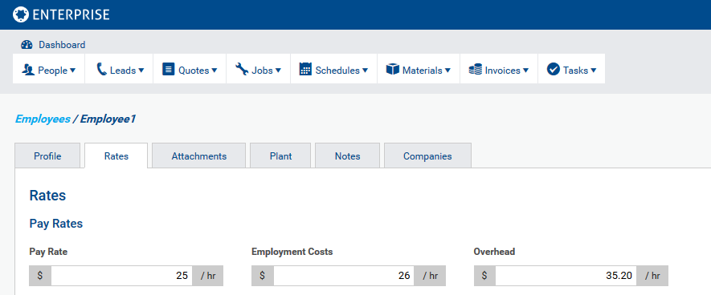

 |  |  |  |  | TRANSFERING DATA TO SIMPRO -DEFAULT LABOUR RATE UPDATE

